Quick Guide
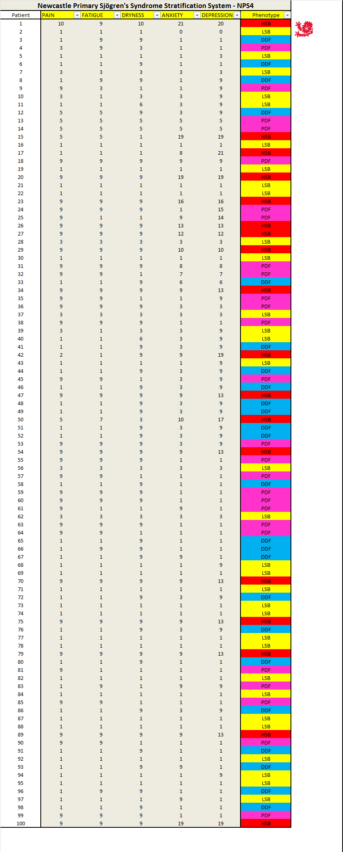
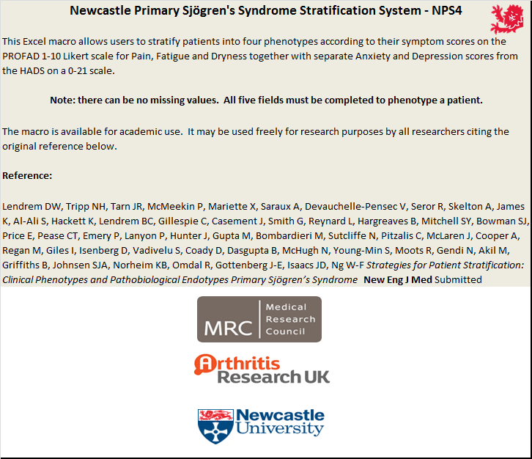

❶
PAIN
FATIGUE
DRYNESS
Values from 1-10

❷
ANXIETY
DEPRESSION
Values from 0-21

❸
HSB = High Symptom Burden
LSB = Low Symptom Burden
PDF = Pain Dominant Fatigue
DDF = Dryness Dominant Fatigue

❹
Patients with MISSING VALUES cannot be phenotyped.

❺
Up to 100 patients can be phenotyped in this sheet. Simply paste scores into the sheet.

